PG MADRES
PG RAINBOW BRIGHT 24 ST | 81200001366
Prodcucto | Qty | Unit Price | Total Price
Rosas 40 cm (rainbow Bright) | 24 | 0.35 | $8.40
Clear Sleeve | 1 | 0.1 | $0.10
Food 10 grs | 1 | 0.1 | $0.10
Deco Wrap Yellow | 1 | 0.12488 | $0.12
mano de obra | 1 | 10 | $10.00
Fillers/Hypericum | 6 | 0.21 | $1.26
Greens | 0 | 0.21 | $-
BOX PG | 1 | 4.85 | $4.85
VASE | 1 | 3.60 | $3.60
COSTO DEL BUNCH

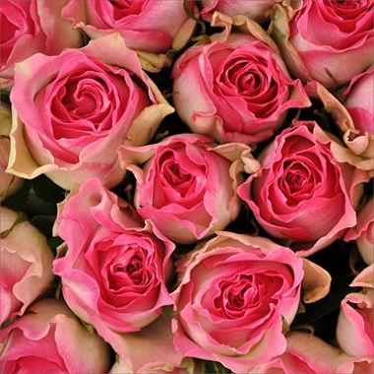
PG Forever Pink Rose Bouquet - 30 Stems | 81200001379
Prodcucto | Qty | Unit Price | Total Price
Rosas 40 cm Bicolor Pink | 24 | 0.35 | $8.40
Rosas 40 cm Pink | 0 | 0 | $-
Rosas 40 cm White | 0 | 0 | $-
Clear Sleeve | 1 | 0.1 | $0.10
Food 10 grs | 1 | 0.1 | $0.10
Deco Wrap Pink | 1 | 0.12488 | $0.12
Fillers/Hypericum | 0 | 0.21 | $-
Greens | 6 | 0.21 | $1.26
COSTO DEL BUNCH |  |  | $9.98
DUTY 6.8 |  | 6.80% | $0.68 | PRECIO DE VENTA EN WEB
BOX PG | 1 | 2.00 | $2.00 | $49.98
VASE | 1 | 2.00 | $2.00
MANO DE OBRA | 1 | 2.70 | $2.70
FLETE MIAMI $20 HB PACK 8 |  | 20 | $2.50
COSTO DEL PG ARMADO EN MIAMI |  | 2.5 | $19.86
FLETE FEDEX |  | 35 | $35.00
COSTO CON FEDEX INCLUIDO |  |  | $54.86
Margin |  | 18% | $66.91

Personal Gift Red Rose Bouquet - 24 Stems - 50cm | 81200001271
Prodcucto | Qty | Unit Price | Total Price
Rosas 40 cm Red | 24 | 0.55 | $13.20
Clear Sleeve | 1 | 0.1 | $0.10
Food 10 grs | 1 | 0.1 | $0.10
Deco Wrap Yellow | 1 | 0.12488 | $0.12
mano de obra | 1 | 10 | $10.00
Fillers/Hypericum | 6 | 0.21 | $1.26
Greens | 0 | 0.21 | $-
BOX PG | 1 | 4.85 | $4.85
VASE | 1 | 3.60 | $3.60
COSTO DEL BUNCH |  |  | $-

PG Red/Pink/White Rose Bouquet - 24 Stems - 50cm | 81200001272
Prodcucto | Qty | Unit Price | Total Price
Rosas 40 cm Red | 0 | 0.555 | $-
Rosas 40 cm Pink | 8 | 0.35 | $2.80
Rosas 40 cm White | 8 | 0.35 | $2.80
Clear Sleeve | 1 | 0.1 | $0.10
Food 10 grs | 1 | 0.1 | $0.10
Deco Wrap Yellow | 1 | 0.12488 | $0.12
mano de obra | 1 | 0 | $-
Fillers/Hypericum | 6 | 0.21 | $1.26
Greens | 0 | - | $-
BOX PG | 1 | 4.85 | $4.85
VASE | 1 | 3.60 | $3.60
COSTO DEL BUNCH

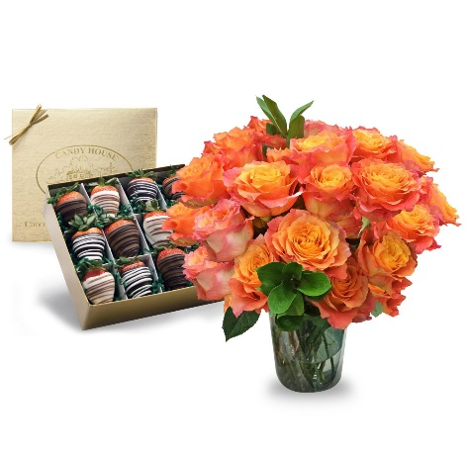
Blooms and Berries" Valentine Special | 40630091489
Prodcucto | Qty | Unit Price | Total Price
Rosas 40 cm Free Spirit | 24 | 0.5 | $12.00
Rosas 40 cm Pink | 0 | 0 | $-
Rosas 40 cm White | 0 | 0 | $-
Clear Sleeve | 1 | 0.1 | $0.10
Food 10 grs | 1 | 0.1 | $0.10
Deco Wrap Yellow | 0 | 0.12488 | $-
Fillers/Hypericum | 0 | 0.21 | $-
Greens | 2 | 0.21 | $0.42 | PRECIO DE VENTA EN WEB
COSTO DEL BUNCH |  |  | $12.62 | $99.98
DUTY 6.8 |  | 6.80% | $0.86
BOX PG | 1 | 2.00 | $2.00
VASE | 1 | 2.00 | $2.00
MANO DE OBRA | 1 | 2.70 | $2.70
FLETE MIAMI $20 HB PACK 8 |  | 20 | $2.50
COSTO DEL PG ARMADO EN MIAMI |  | 2.5 | $22.68
FLETE FEDEX |  | 35 | $35.00
COSTO CON FEDEX INCLUIDO |  |  | $57.68
Margin |  | 18% | $70.34

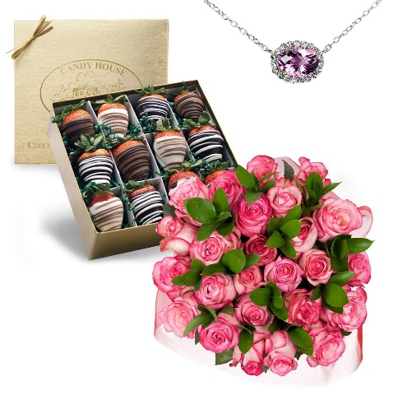
Just for You" Valentine's Bundle | 40634400939
Prodcucto | Qty | Unit Price | Total Price
Rosas 40 cm Bicolor Pink | 24 | 0.35 | $8.40
Rosas 40 cm Pink | 0 | 0 | $-
Rosas 40 cm White | 0 | 0 | $-
Clear Sleeve | 1 | 0.1 | $0.10
Food 10 grs | 1 | 0.1 | $0.10
Deco Wrap Pink | 1 | 0.12488 | $0.12
Fillers/Hypericum | 0 | 0.21 | $-
Greens | 12 | 0.21 | $2.52
COSTO DEL BUNCH |  |  | $11.24
DUTY 6.8 |  | 6.80% | $0.76 | PRECIO DE VENTA EN WEB
BOX PG | 1 | 2.00 | $2.00 | $135.98
VASE | 1 | 2.00 | $2.00
MANO DE OBRA | 1 | 2.70 | $2.70
FLETE MIAMI $20 HB PACK 8 |  | 20 | $2.50
COSTO DEL PG ARMADO EN MIAMI |  | 2.5 | $21.21
FLETE FEDEX |  | 35 | $35.00
COSTO CON FEDEX INCLUIDO |  |  | $56.21
Margin |  | 18% | $68.55

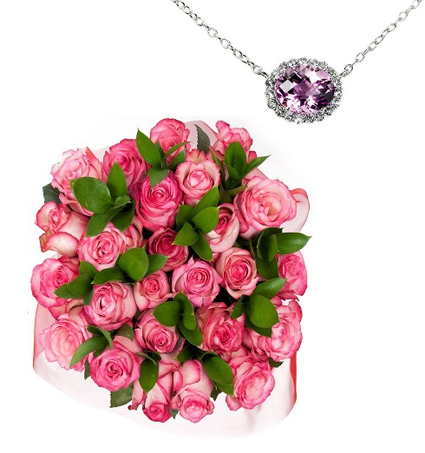
Rose Bouquet with Pink Amethyst and White Topaz Necklace | 40636854929
Prodcucto | Qty | Unit Price | Total Price
Rosas 40 cm Bicolor Pink | 24 | 0.35 | $8.40
Rosas 40 cm Pink | 0 | 0 | $-
Rosas 40 cm White | 0 | 0 | $-
Clear Sleeve | 1 | 0.1 | $0.10
Food 10 grs | 1 | 0.1 | $0.10
Deco Wrap Pink | 1 | 0.12488 | $0.12
Fillers/Hypericum | 0 | 0.21 | $-
Greens | 12 | 0.21 | $2.52
COSTO DEL BUNCH |  |  | $11.24 | PRECIO DE VENTA EN WEB
DUTY 6.8 |  | 6.80% | $0.76 | 99.98
BOX PG | 1 | 2.00 | $2.00
VASE | 1 | 2.00 | $2.00
MANO DE OBRA | 1 | 2.70 | $2.70
FLETE MIAMI $20 HB PACK 8 |  | 20 | $2.50
COSTO DEL PG ARMADO EN MIAMI |  | 2.5 | $21.21
FLETE FEDEX |  | 35 | $35.00
COSTO CON FEDEX INCLUIDO |  |  | $56.21
Margin |  | 18% | $68.55

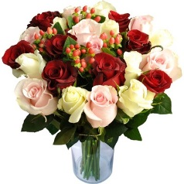

RED-WHITE-PINK | RORFPG24RPW 92375055 |  |  |  |  |  | RED | RORFPGV24R 92375057
Product | Qty/Pk | Unit Price | Duties |  | Total Cost |  | Product | Qty/Pk | Unit Price | Duties |  | Total Cost
Roses 40 cm Red | 8 | $0.24 | 0.0% | $- | $1.92 |  | Roses 40 cm Red | 24 | $0.24 | 0.0% | $- | $5.76
Roses 40 cm White | 8 | $0.24 | 0.0% | $- | $1.92 |  | Roses 40 cm White | 0 | $0.24 | 0.0% | $- | $-
Roses 40 cm Pink | 8 | $0.30 | 0.0% | $- | $2.40 |  | Roses 40 cm Pink | 0 | $0.30 | 0.0% | $- | $-
Fillers/Hypericum | 4 | $0.20 | 0.0% | $- | $0.80 |  | Fillers/Hypericum | 4 | $0.21 | 0.0% | $- | $0.84
Greens | 0 | $0.20 | 0.0% | $- | $- |  | Greens | 0 | $0.21 | 0.0% | $- | $-
Clear Sleeve | 1 | $0.10 |  |  | $0.10 |  | Clear Sleeve | 1 | $0.10 |  |  | $0.10
Food 10 grs | 1 | $0.10 |  |  | $0.10 |  | Food 10 grs | 1 | $0.10 |  |  | $0.10
Deco Wrap | 1 | $0.12 |  |  | $0.12 |  | Deco Wrap | 1 | $0.12 |  |  | $0.12
USA Processing | 0 | $- |  |  | $- |  | USA Processing | 0 | $3.40 |  |  | $-
USA Suppiles | 0 | $- |  |  | $- |  | USA Suppiles | 0 | $2.84 |  |  | $-
Freight Ecuador | 0 |  |  |  |  |  | Freight Ecuador
Cost |  |  |  |  | $20.00 |  | Cost |  |  |  |  | $20.00
Freight to Client |  | $22.52 |  |  | $42.52 |  | Freight to Client |  | $22.52 |  |  | $42.52
FINAL COST | Margin | 20% |  |  | $53.15 |  | FINAL COST | Margin | 23% |  |  | $55.22
Online Price | Margin | 12% | $60.40 |  | $60.40 |  | ONLINE PRICE | Margin | 12% | $62.75 |  | $62.75
FINAL ONLINE PRICE | $ off | $5.00 |  |  | $65.40 |  | FINAL ONLINE PRICE | $ off | $5.00 |  |  | $67.75

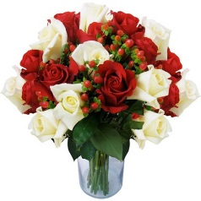
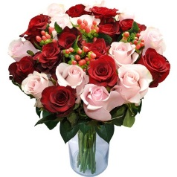
RED-WHITE | RORFPGV24RW 92375056 |  |  |  |  |  | RED-PINK | RORFPGV24RP 92876454
Product | Qty/Pk | Unit Price | Duties |  | Total Cost |  | Product | Qty/Pk | Unit Price | Duties |  | Total Cost
Roses 40 cm Red | 12 | $0.24 | 0.0% | $- | $2.88 |  | Roses 40 cm Red | 12 | $0.24 | 0.0% | $- | $2.88
Roses 40 cm White | 12 | $0.24 | 0.0% | $- | $2.88 |  | Roses 40 cm White | 0 | $0.24 | 0.0% | $- | $-
Roses 40 cm Pink | 0 | $0.30 | 0.0% | $- | $- |  | Roses 40 cm Pink | 12 | $0.30 | 0.0% | $- | $3.60
Fillers/Hypericum | 4 | $0.20 | 0.0% | $- | $- |  | Fillers/Hypericum | 4 | $0.20 | 0.0% | $- | $0.80
Greens | 0 | $0.20 | 0.0% | $- | $- |  | Greens | 0 | $0.20 | 0.0% | $- | $-
Clear Sleeve | 1 | $0.10 |  |  | $0.10 |  | Clear Sleeve | 1 | $0.10 |  |  | $0.10
Food 10 grs | 1 | $0.10 |  |  | $0.10 |  | Food 10 grs | 1 | $0.10 |  |  | $0.10
Deco Wrap | 1 | $0.12 |  |  | $0.12 |  | Deco Wrap | 1 | $0.12 |  |  | $0.12
USA Processing | 0 | $3.40 |  |  | $- |  | USA Processing | 0 | $3.40 |  |  | $-
USA Suppiles | 0 | $2.84 |  |  | $- |  | USA Suppiles | 0 | $2.84 |  |  | $-
Freight Ecuador | 0 | $- | $0.00 |  | #DIV/0! |  | Freight Ecuador | 0 | $- | $0.00 | $- | $-
Cost |  |  |  |  | $20.00 |  | Cost |  |  |  |  | $20.00
Freight to Client |  | $22.52 |  |  | $42.52 |  | Freight to Client |  | $22.52 |  |  | $42.52
FINAL COST | Margin | 24% |  |  | $55.95 |  | FINAL COST | Margin | 22% |  |  | $54.52
ONLINE PRICE | Margin | 12% | $63.58 |  | $63.58 |  | ONLINE PRICE | Margin | 12% | $61.95 |  | $61.95
FINAL ONLINE PRICE | $ off | $5.00 |  |  | $68.58 |  | FINAL ONLINE PRICE | $ off | $5.00 |  |  | $66.95

RAINBOW | 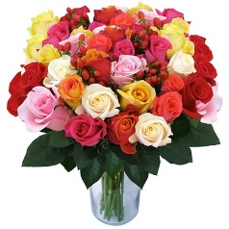 RFPGV24RBW 131639624 |  |  |  |  |  | Pink Lady Rose Bouquet - Pink/White | 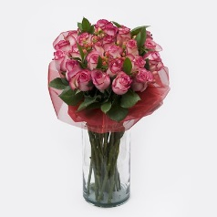 INB29000 144429500
Product | Qty/Pk | Unit Price | Duties |  | Total Cost |  | Product | Qty/Pk | Unit Price | Duties |  | Total Cost
Roses 40 cm Red | 24 | $0.24 | 0.0% | $- | $5.76 |  | Roses 40 cm Biclr White-Pink | 24 | $0.30 | 0.0% | $- | $7.20
Roses 40 cm White | 0 | $0.24 | 0.0% | $- | $- |  | Roses 40 cm White | 0 | $0.30 | 0.0% | $- | $-
Roses 40 cm Pink | 0 | $0.30 | 0.0% | $- | $- |  | Roses 40 cm Pink | 0 | $0.30 | 0.0% | $- | $-
Fillers/Hypericum | 4 | $0.20 | 0.0% | $- | $0.80 |  | Fillers/Hypericum | 0 | $0.20 | 0.0% | $- | $-
Greens | 0 | $0.20 | 0.0% | $- | $- |  | Greens | 6 | $0.20 | 0.0% | $- | $1.20
Clear Sleeve | 1 | $0.10 |  |  | $0.10 |  | Clear Sleeve | 1 | $0.10 |  |  | $0.10
Food 10 grs | 1 | $0.10 |  |  | $0.10 |  | Food 10 grs | 1 | $0.10 |  |  | $0.10
Deco Wrap | 1 | $0.12 |  |  | $0.12 |  | Deco Wrap | 1 | $0.12 |  |  | $0.12
USA Processing | 0 | $3.40 |  |  | $- |  | USA Processing | 0 | $- |  |  | $-
USA Suppiles | 0 | $2.84 |  |  | $- |  | USA Suppiles | 0 | $- |  |  | $-
Freight Ecuador | 0 | $- | $0.00 |  | $- | 75.16 | Freight Ecuador | 0 | $- | $0.00 |  | $-
Cost |  |  |  |  | $20.00 |  | Cost |  |  |  |  | $20.00
Freight to Client |  | $- |  |  | $20.00 |  | Freight to Client |  | $22.52 |  |  | $42.52
FINAL COST | Margin | 20% |  |  | $25.00 |  | FINAL COST | Margin | 23% |  |  | $55.22
ONLINE PRICE | Margin | 12% | $28.41 |  | $28.41 |  | ONLINE PRICE | Margin | 12% | $62.75 |  | $62.75
FINAL ONLINE PRICE | $ off | $5.00 |  |  | $33.41 |  | FINAL ONLINE PRICE | $ off | $5.00 |  |  | $67.75

COLOR OF HAPPINESS | INB29001 147492238
Product | Qty/Pk | Unit Price | Duties |  | Total Cost
Roses 40 cm Red | 24 | $0.22 | 0.0% | $- | $5.38
Roses 40 cm White | 0 | $0.24 | 0.0% | $- | $-
Roses 40 cm Pink | 0 | $0.30 | 0.0% | $- | $-
Fillers/Hypericum | 4 | $0.20 | 0.0% | $- | $0.80
Greens | 0 | $0.20 | 0.0% | $- | $-
Clear Sleeve | 1 | $0.10 |  |  | $0.10
Food 10 grs | 1 | $0.10 |  |  | $0.10
Deco Wrap | 1 | $0.12 |  |  | $0.12
USA Processing | 0 | $3.40 |  |  | $-
USA Suppiles | 0 | $2.84 |  |  | $-
Freight Ecuador | 0 | $- | $0.00 |  | $-
Cost |  |  |  |  | $20.00
Freight to Client |  | $22.52 |  |  | $42.52
FINAL COST | Margin | 18% |  |  | $51.86
ONLINE PRICE | Margin | 12% | $58.93 |  | $58.93
FINAL ONLINE PRICE | $ off | $5.00 |  |  | $63.93

WORCESTER
InBloom Group - New Item Set Up
Vendor: Date:
Image of Item | Country of Origin | Item Name | BOX WEIGHT LBS | Unit Cost | Case Cost | FINAL COST | Current Suggested Retail
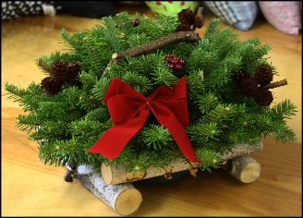 | 90% USA, 10% Imported | Xmas-Birch Carrier Centerpiece - 1 pk. | 3 | $11.25 | $11.25 | $11.25 | $24.99
 | 90% USA, 10% Imported | Xmas-Bucket-O-Greens - 1 pk. | 8 | $22.50 | $22.50 | $22.50 | $49.99
 | 90% USA, 10% Imported | Xmas-9 FT.Balsam Garland 1 pk. | 5 | $13.50 | $13.50 | $13.50 | $29.99
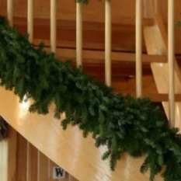 | 90% USA, 10% Imported | Xmas-18 FT.Balsam Garland 1 pk. | 10 | $18.00 | $18.00 | $18.00 | $39.99
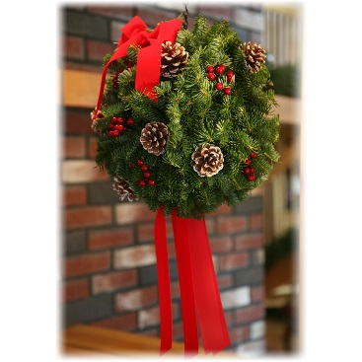 | 90% USA, 10% Imported | Xmas-Classic Christmas Ball 1 pk. | 3 | $14.85 | $14.85 | $14.85 | $32.99
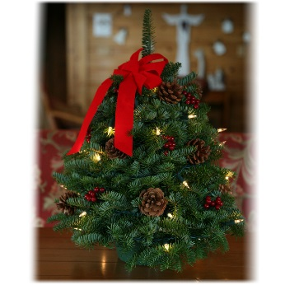 | 90% USA, 10% Imported | Xmas-Twinkle 18 Inch Tabletop Tree -1 pk. | 5 | $25.20 | $25.20 | $25.20 | $55.99
 | 90% USA, 10% Imported | Xmas-Classic Pre-Lit 24 Inch Wreath -1pk. | 5 | $20.25 | $20.25 | $20.25 | $44.99
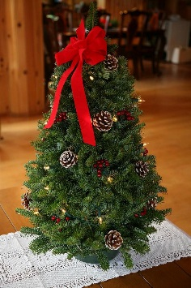 | 90% USA, 10% Imported | Xmas.Twinkle 28 Inch Tabletop Tree 1pk | 9 | $33.75 | $33.75 | $33.75 | $74.99
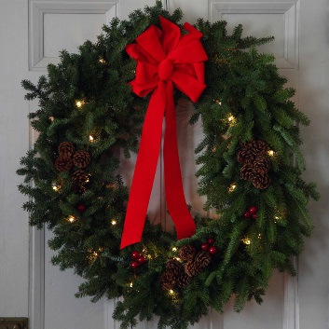 | 90% USA, 10% Imported | Xmas-Classic Pre-Lit 30 Inch Wreath 1pk. | 7 | $22.50 | $22.50 | $22.50 | $49.99
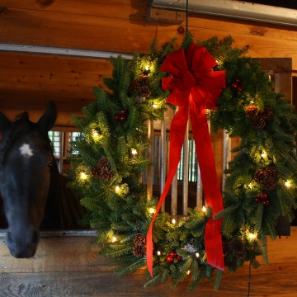 | 90% USA, 10% Imported | Xmas-Classic Pre-Lit 36 Inch Wreath 1pk. | 13 | $31.50 | $31.50 | $31.50 | $69.99
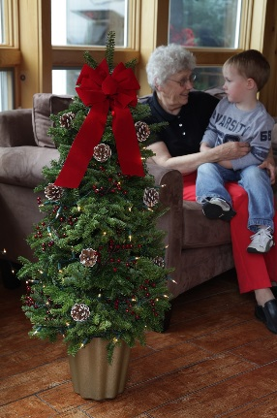 | 90% USA, 10% Imported | Xmas-Classic Pre-lit 48 Inch Tabletop Tree 1 pk. | 12 | $54.00 | $54.00 | $54.00 | $119.99
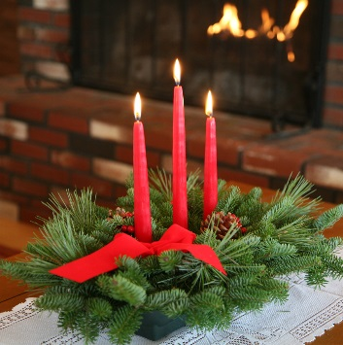 | 90% USA, 10% Imported | Xmas-Classic Three Candle Centerpiece 1 pk. | 3 | $14.85 | $14.85 | $14.85 | $32.99
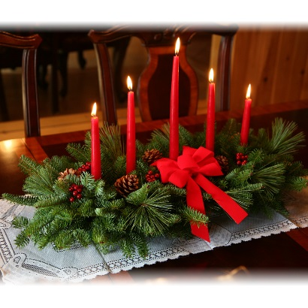 | 90% USA, 10% Imported | Xmas-Classic Five Candle Centerpiece 1pk. | 5 | $20.25 | $20.25 | $20.25 | $44.99
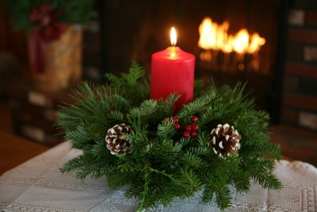 | 90% USA, 10% Imported | Xmas-Classic Round Centerpiece 1 pk. | 4 | $15.75 | $15.75 | $15.75 | $34.99
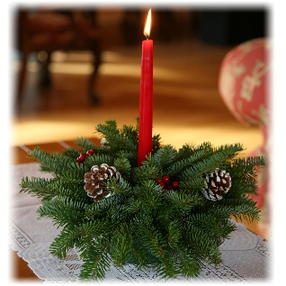 | 90% USA, 10% Imported | Xmas-Classic Small Round Centerpiece 1pk. | 2 | $9.00 | $9.00 | $9.00 | $19.99
 | 90% USA, 10% Imported | Xmas-Classic Tabletop Tree 1 pk. | 5 | $22.50 | $22.50 | $22.50 | $49.99
 | 90% USA, 10% Imported | Xmas-Classic 24 Inch Wreath 1 pk. | 5 | $15.75 | $15.75 | $15.75 | $34.99
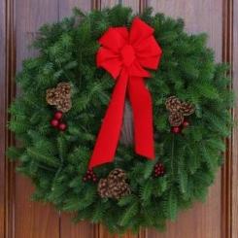 | 90% USA, 10% Imported | Xmas-Classic 30 Inch Wreath 1 pk. | 7 | $20.70 | $20.70 | $20.70 | $45.99
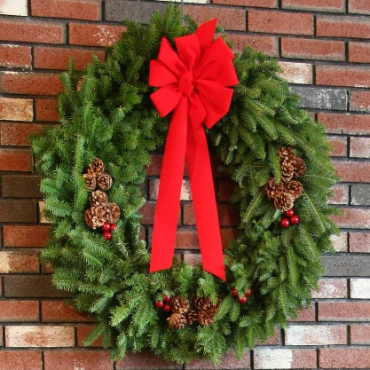 | 90% USA, 10% Imported | Xmas-Classic 36 Inch Wreath 1 pk. | 13 | $29.25 | $29.25 | $29.25 | $64.99
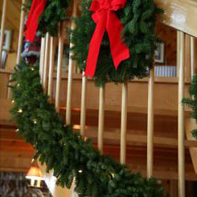 | 90% USA, 10% Imported | Xmas-9 FT.Pre-Lit Balsam Garland 1pk. | 5 | $18.00 | $18.00 | $18.00 | $39.99
 | 90% USA, 10% Imported | Xmas-18 FT.Pre-Lit Balsam Garland 1pk. | 10 | $22.50 | $22.50 | $22.50 | $49.99
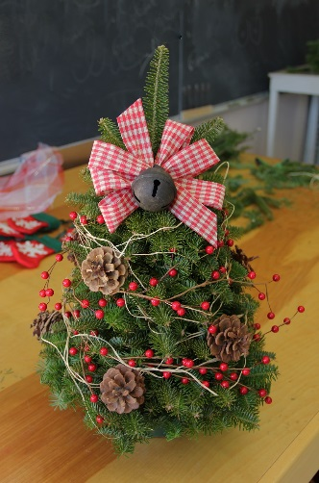 | 90% USA, 10% Imported | Xmas-Gingham Style 18 Inch Tabletop Tree 1 pk. | 5 | $23.85 | $23.85 | $23.85 | $52.99
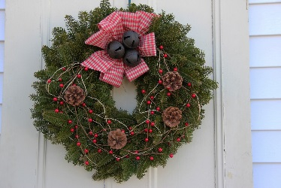 | 90% USA, 10% Imported | Xmas-Gingham Style Wreath 1 pk | 4 | $21.15 | $21.15 | $21.15 | $46.99
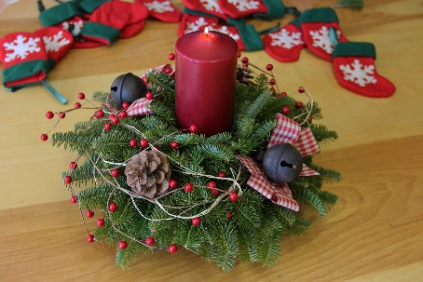 | 90% USA, 10% Imported | Xmas-Gingham Style Pillar Centerpiece 1 pk. | 3.5 | $18.00 | $18.00 | $18.00 | $39.99
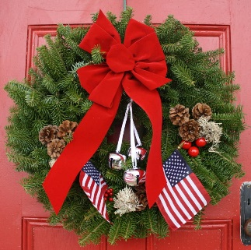 | 90% USA, 10% Imported | Xmas-Let Freedom Ring Wreath 1 pk. | 6 | $27.00 | $27.00 | $27.00 | $59.99
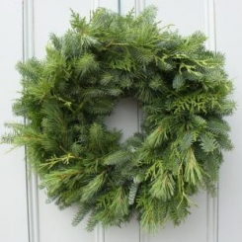 | 90% USA, 10% Imported | Xmas-Mixed Greens 24 Inch Wreath 1 pk. | 5 | $12.60 | $12.60 | $12.60 | $27.99
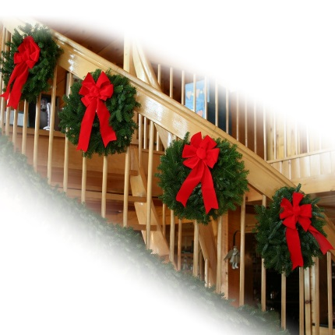 | 90% USA, 10% Imported | Xmas-Mini Wreaths 1 pk. | 10 | $22.50 | $22.50 | $22.50 | $49.99
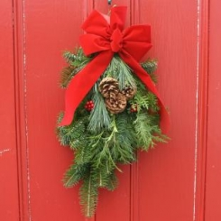 | 90% USA, 10% Imported | Xmas-Holiday Swag 1pk. | 2 | $9.00 | $9.00 | $9.00 | $19.99

